HR data (HR Data)_HR data.
Row Labels | Count of Attrition positive | Sum of Employee Count | Attrition Rate | Active employee | Average of Age
No | 464 | 545 | 16.12244898 | 1233 | 41
Yes | 81
Grand Total | 545
Count of Attrition
Attrition | Yes

Row Labels | Count of Attrition
HR | 4
R&D | 45
Sales | 32
Grand Total | 81

Average of Age by Attrition
Row Labels | Average of Age
Under 25 | 22
35 - 44 | 39
45 - 54 | 49
Over 55 | 57
Grand Total | 41

Sum of Employee Count | Column Labels
Row Labels | 1 | 2 | 3 | 4 | Grand Total
Healthcare Representative | 11 | 10 | 19 | 18 | 58
Human Resources | 4 | 8 | 6 | 5 | 23
Laboratory Technician | 19 | 18 | 31 | 29 | 97
Manager | 11 | 10 | 13 | 17 | 51
Manufacturing Director | 4 | 14 | 18 | 14 | 50
Research Director | 6 | 9 | 15 | 12 | 42
Research Scientist | 14 | 12 | 35 | 35 | 96
Sales Executive | 23 | 24 | 20 | 35 | 102
Sales Representative | 6 | 5 | 7 | 8 | 26
Grand Total | 98 | 110 | 164 | 173 | 545

Count of Attrition by Education Field

Attrition | Yes

Row Labels | Count of Attrition
Human Resources | 2
Other | 6
Technical Degree | 9
Marketing | 12
Medical | 21
Life Sciences | 31
Grand Total | 81

Count of Employee Number | Column Labels
 | Yes |  |  |  | Yes Total | Grand Total
Row Labels | 35 - 44 | 45 - 54 | Over 55 | Under 25
Male | 37 | 16 | 8 | 20 | 81 | 81
Grand Total | 37 | 16 | 8 | 20 | 81 | 81

Sheet2
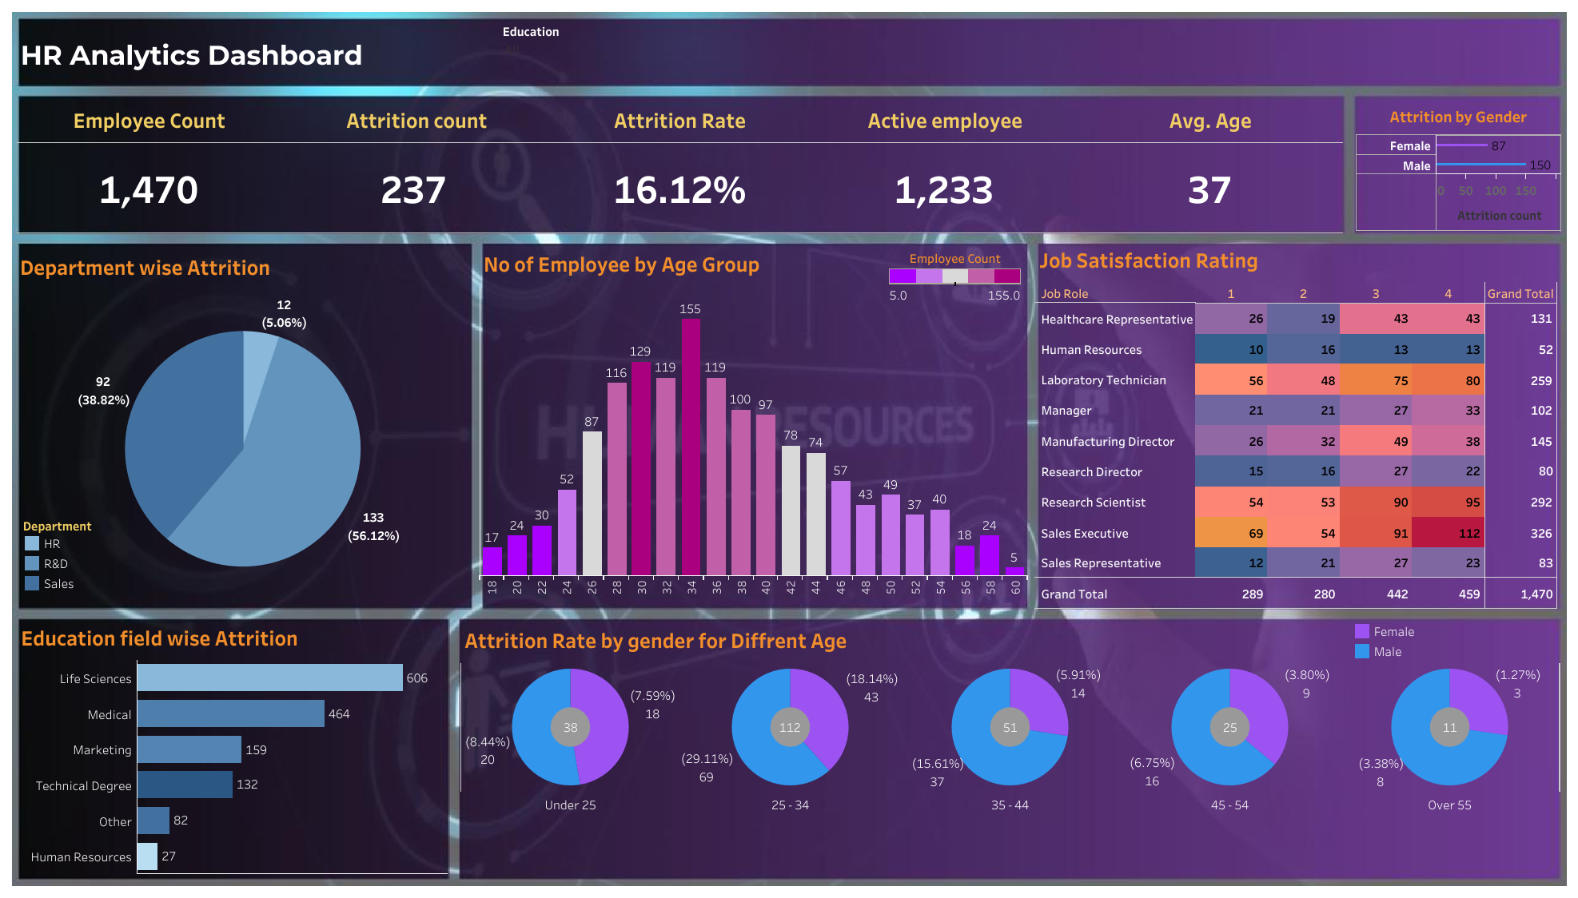
TABLUE DASHBOARD

